Daily Power Station Chart_15-01
Plant_16/03/2025Chart

Plant:odco1 |  |  | Installed Capacity:111.180kWp
Today Yield(kWh):707.100kWh |  | Today Earning:282840.000TND |  | Today Full Load Hours(h):6.36h

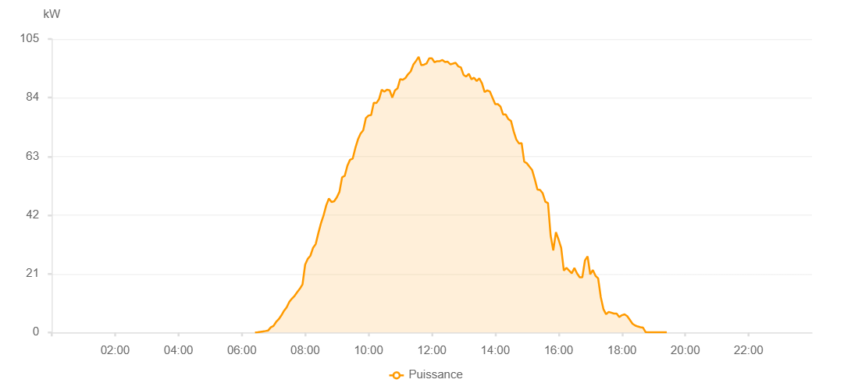

Number | Time | Working State | PV(W) | Instantaneous Radiation(W/㎡)
1 | 06:25:00 | Online | 20.00000 | 0
2 | 06:30:00 | Online | 330.00000 | 0
3 | 06:35:00 | Online | 560.00000 | 2.00000
4 | 06:40:00 | Online | 420.00000 | 5.00000
5 | 06:45:00 | Online | 1680.00000 | 13.00000
6 | 06:50:00 | Online | 2670.00000 | 35.00000
7 | 06:55:00 | Online | 5010.00000 | 62.00000
8 | 07:00:00 | Online | 7030.00000 | 88.00000
9 | 07:05:00 | Online | 8820.00000 | 115.00000
10 | 07:10:00 | Online | 10190.00000 | 111.00000
11 | 07:15:00 | Online | 11640.00000 | 168.00000
12 | 07:20:00 | Online | 14340.00000 | 194.00000
13 | 07:25:00 | Online | 16260.00000 | 218.00000
14 | 07:30:00 | Online | 17990.00000 | 247.00000
15 | 07:35:00 | Online | 22750.00000 | 271.00000
16 | 07:40:00 | Online | 25480.00000 | 297.00000
17 | 07:45:00 | Online | 29940.00000 | 321.00000
18 | 07:50:00 | Online | 32140.00000 | 347.00000
19 | 07:55:00 | Online | 34070.00000 | 372.00000
20 | 08:00:00 | Online | 35450.00000 | 398.00000
21 | 08:05:00 | Online | 36930.00000 | 425.00000
22 | 08:10:00 | Online | 38220.00000 | 448.00000
23 | 08:15:00 | Online | 39650.00000 | 472.00000
24 | 08:20:00 | Online | 40750.00000 | 495.00000
25 | 08:25:00 | Online | 42080.00000 | 515.00000
26 | 08:30:00 | Online | 52420.00000 | 538.00000
27 | 08:35:00 | Online | 53550.00000 | 559.00000
28 | 08:40:00 | Online | 54660.00000 | 585.00000
29 | 08:45:00 | Online | 55610.00000 | 605.00000
30 | 08:50:00 | Fault | 12300.00000 | 622.00000
31 | 08:55:00 | Online | 33330.00000 | 644.00000
32 | 09:00:00 | Online | 69020.00000 | 663.00000
33 | 09:05:00 | Online | 71330.00000 | 681.00000
34 | 09:10:00 | Online | 73760.00000 | 697.00000
35 | 09:15:00 | Online | 74430.00000 | 717.00000
36 | 09:20:00 | Online | 75210.00000 | 733.00000
37 | 09:25:00 | Online | 76220.00000 | 750.00000
38 | 09:30:00 | Online | 77050.00000 | 768.00000
39 | 09:35:00 | Online | 82640.00000 | 785.00000
40 | 09:40:00 | Online | 84890.00000 | 803.00000
41 | 09:45:00 | Online | 85660.00000 | 813.00000
42 | 09:50:00 | Online | 87530.00000 | 831.00000
43 | 09:55:00 | Online | 88400.00000 | 844.00000
44 | 10:00:00 | Online | 88760.00000 | 859.00000
45 | 10:05:00 | Online | 90600.00000 | 867.00000
46 | 10:10:00 | Online | 91100.00000 | 877.00000
47 | 10:15:00 | Online | 91750.00000 | 894.00000
48 | 10:20:00 | Online | 91990.00000 | 902.00000
49 | 10:25:00 | Online | 92370.00000 | 889.00000
50 | 10:30:00 | Online | 93280.00000 | 924.00000
51 | 10:35:00 | Online | 97830.00000 | 925.00000
52 | 10:40:00 | Online | 95930.00000 | 942.00000
53 | 10:45:00 | Online | 99150.00000 | 950.00000
54 | 10:50:00 | Online | 99520.00000 | 953.00000
55 | 10:55:00 | Online | 99580.00000 | 958.00000
56 | 11:00:00 | Online | 101380.00000 | 972.00000
57 | 11:05:00 | Online | 100480.00000 | 928.00000
58 | 11:10:00 | Online | 100670.00000 | 985.00000
59 | 11:15:00 | Online | 102600.00000 | 983.00000
60 | 11:20:00 | Online | 102580.00000 | 986.00000
61 | 11:25:00 | Online | 102960.00000 | 989.00000
62 | 11:30:00 | Online | 102960.00000 | 991.00000
63 | 11:35:00 | Online | 103050.00000 | 993.00000
64 | 11:40:00 | Online | 104100.00000 | 996.00000
65 | 11:45:00 | Online | 107730.00000 | 996.00000
66 | 11:50:00 | Online | 106420.00000 | 1000.00000
67 | 11:55:00 | Online | 104110.00000 | 972.00000
68 | 12:00:00 | Online | 104220.00000 | 1007.00000
69 | 12:05:00 | Online | 104120.00000 | 1005.00000
70 | 12:10:00 | Online | 103930.00000 | 1001.00000
71 | 12:15:00 | Online | 95870.00000 | 983.00000
72 | 12:20:00 | Online | 102860.00000 | 994.00000
73 | 12:25:00 | Online | 97210.00000 | 991.00000
74 | 12:30:00 | Online | 97210.00000 | 941.00000
75 | 12:35:00 | Online | 105900.00000 | 974.00000
76 | 12:40:00 | Online | 88420.00000 | 967.00000
77 | 12:45:00 | Online | 94690.00000 | 921.00000
78 | 12:50:00 | Online | 100620.00000 | 845.00000
79 | 12:55:00 | Online | 99570.00000 | 922.00000
80 | 13:00:00 | Online | 100210.00000 | 898.00000
81 | 13:05:00 | Online | 98550.00000 | 959.00000
82 | 13:10:00 | Online | 96430.00000 | 897.00000
83 | 13:15:00 | Online | 99620.00000 | 893.00000
84 | 13:20:00 | Online | 90670.00000 | 931.00000
85 | 13:25:00 | Online | 96030.00000 | 857.00000
86 | 13:30:00 | Online | 80870.00000 | 862.00000
87 | 13:35:00 | Online | 82220.00000 | 788.00000
88 | 13:40:00 | Online | 87910.00000 | 856.00000
89 | 13:45:00 | Online | 81540.00000 | 774.00000
90 | 13:50:00 | Online | 84760.00000 | 772.00000
91 | 13:55:00 | Online | 67760.00000 | 792.00000
92 | 14:00:00 | Online | 91280.00000 | 790.00000
93 | 14:05:00 | Online | 91500.00000 | 853.00000
94 | 14:10:00 | Online | 88670.00000 | 729.00000
95 | 14:15:00 | Online | 88070.00000 | 794.00000
96 | 14:20:00 | Online | 83950.00000 | 795.00000
97 | 14:25:00 | Online | 77910.00000 | 712.00000
98 | 14:30:00 | Online | 80610.00000 | 748.00000
99 | 14:35:00 | Online | 73580.00000 | 673.00000
100 | 14:40:00 | Online | 75050.00000 | 702.00000
101 | 14:45:00 | Online | 70880.00000 | 666.00000
102 | 14:50:00 | Online | 71210.00000 | 644.00000
103 | 14:55:00 | Online | 66880.00000 | 574.00000
104 | 15:00:00 | Online | 67200.00000 | 658.00000
105 | 15:05:00 | Online | 69240.00000 | 661.00000
106 | 15:10:00 | Online | 68030.00000 | 634.00000
107 | 15:15:00 | Online | 62910.00000 | 587.00000
108 | 15:20:00 | Online | 62910.00000 | 587.00000
109 | 15:25:00 | Online | 58480.00000 | 566.00000
110 | 15:30:00 | Online | 53340.00000 | 538.00000
111 | 15:35:00 | Online | 50850.00000 | 510.00000
112 | 15:40:00 | Online | 49320.00000 | 488.00000
113 | 15:45:00 | Online | 49320.00000 | 471.00000
114 | 15:50:00 | Online | 47050.00000 | 451.00000
115 | 15:55:00 | Online | 44870.00000 | 430.00000
116 | 16:00:00 | Online | 43900.00000 | 409.00000
117 | 16:05:00 | Online | 43900.00000 | 385.00000
118 | 16:10:00 | Online | 36390.00000 | 365.00000
119 | 16:15:00 | Online | 34580.00000 | 340.00000
120 | 16:20:00 | Online | 31630.00000 | 318.00000
121 | 16:25:00 | Online | 30320.00000 | 298.00000
122 | 16:30:00 | Online | 26460.00000 | 276.00000
123 | 16:35:00 | Online | 24940.00000 | 255.00000
124 | 16:40:00 | Online | 24940.00000 | 105.00000
125 | 16:45:00 | Online | 22530.00000 | 54.00000
126 | 16:50:00 | Online | 22150.00000 | 53.00000
127 | 16:55:00 | Online | 20090.00000 | 51.00000
128 | 17:00:00 | Online | 16320.00000 | 44.00000
129 | 17:05:00 | Online | 15760.00000 | 75.00000
130 | 17:10:00 | Online | 13420.00000 | 70.00000
131 | 17:15:00 | Online | 11920.00000 | 63.00000
132 | 17:20:00 | Online | 11510.00000 | 44.00000
133 | 17:25:00 | Online | 7570.00000 | 41.00000
134 | 17:30:00 | Online | 8270.00000 | 41.00000
135 | 17:35:00 | Online | 6560.00000 | 42.00000
136 | 17:40:00 | Online | 5840.00000 | 37.00000
137 | 17:45:00 | Online | 5560.00000 | 29.00000
138 | 18:10:00 | Online | 2480.00000 | 24.00000
139 | 18:20:00 | Online | 1460.00000 | 11.00000
140 | 18:25:00 | Online | 770.00000 | 7.00000
141 | 18:30:00 | Online | 520.00000 | 4.00000
142 | 18:35:00 | Online | 340.00000 | 0
143 | 18:40:00 | Online | 290.00000 | 0
144 | 18:45:00 | Online | 290.00000 | 0
145 | 18:50:00 | Online | 250.00000 | 0
146 | 18:55:00 | Online | 40.00000 | 0
147 | 19:00:00 | Online | 40.00000 | 0
148 | 19:05:00 | Online | 40.00000 | 0
149 | 19:10:00 | Online | 50.00000 | 0
150 | 19:15:00 | Online | 50.00000 | 0
151 | 19:20:00 | Online | 50.00000 | 0
152 | 19:25:00 | Online | 50.00000 | 0
153 | 19:45:00 | Online | 0.00001 | 0.00001

